Report
 |  |  |  | Crystal Ball Report - Full
 |  |  |  | Simulation started on 1/3/2020 at 4:16 PM
 |  |  |  | Simulation stopped on 1/3/2020 at 4:20 PM

 | Run preferences:
 |  | Number of trials run | 100,000
 |  | Monte Carlo
 |  | Random seed
 |  | Precision control on
 |  | Confidence level | 95.00%

 | Run statistics:
 |  | Total running time (sec) | 229.73
 |  | Trials/second (average) | 435
 |  | Random numbers per sec | 2,612

 | Crystal Ball data:
 |  | Assumptions | 6
 |  | Correlations | 0
 |  | Correlation matrices | 0
 |  | Decision variables | 0
 |  | Forecasts | 2

 |  |  |  | Forecasts

Worksheet: [Module_3_mixed.xlsx]Uncertainty

Forecast: CO2 emission factor |  |  |  |  |  | Cell: C10

 | Summary:
 |  | Certainty level is 95.000%
 |  | Certainty range is from 31.06 to 91.69
 |  | Entire range is from 16.14 to 180.95
 |  | Base case is 53.51
 |  | After 100,000 trials, the std. error of the mean is 0.05

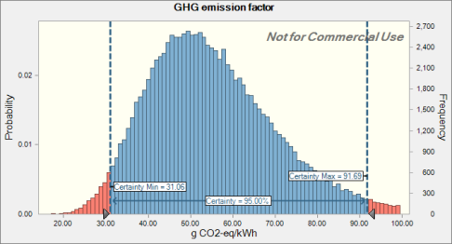

 | Statistics: |  | Forecast values
 |  | Trials | 100,000
 |  | Base Case | 53.51
 |  | Mean | 55.58
 |  | Median | 53.48
 |  | Mode | ---
 |  | Standard Deviation | 15.68
 |  | Variance | 245.98
 |  | Skewness | 0.8606
 |  | Kurtosis | 4.38
 |  | Coeff. of Variation | 0.2822
 |  | Minimum | 16.14
 |  | Maximum | 180.95
 |  | Range Width | 164.80
 |  | Mean Std. Error | 0.05

Forecast: CO2 emission factor (cont'd) |  |  |  |  |  | Cell: C10

 | Percentiles: |  | Forecast values
 |  | 0% | 16.14
 |  | 10% | 37.46
 |  | 20% | 42.33
 |  | 30% | 46.22
 |  | 40% | 49.85
 |  | 50% | 53.48
 |  | 60% | 57.45
 |  | 70% | 61.93
 |  | 80% | 67.62
 |  | 90% | 76.26
 |  | 100% | 180.95

Forecast: EPBT |  |  |  |  |  | Cell: C9

 | Summary:
 |  | Certainty level is 95.000%
 |  | Certainty range is from 0.24 to 0.62
 |  | Entire range is from 0.14 to 1.12
 |  | Base case is 0.39
 |  | After 100,000 trials, the std. error of the mean is 0.00

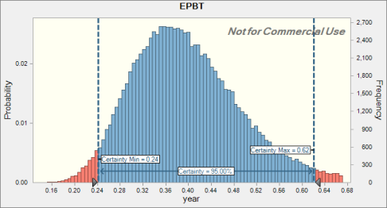

 | Statistics: |  | Forecast values
 |  | Trials | 100,000
 |  | Base Case | 0.39
 |  | Mean | 0.40
 |  | Median | 0.39
 |  | Mode | ---
 |  | Standard Deviation | 0.10
 |  | Variance | 0.01
 |  | Skewness | 0.7370
 |  | Kurtosis | 3.96
 |  | Coeff. of Variation | 0.2433
 |  | Minimum | 0.14
 |  | Maximum | 1.12
 |  | Range Width | 0.98
 |  | Mean Std. Error | 0.00

Forecast: EPBT (cont'd) |  |  |  |  |  | Cell: C9

 | Percentiles: |  | Forecast values
 |  | 0% | 0.14
 |  | 10% | 0.29
 |  | 20% | 0.32
 |  | 30% | 0.34
 |  | 40% | 0.37
 |  | 50% | 0.39
 |  | 60% | 0.41
 |  | 70% | 0.44
 |  | 80% | 0.47
 |  | 90% | 0.53
 |  | 100% | 1.12

End of Forecasts
 |  |  |  | Assumptions

Worksheet: [Module_3_mixed.xlsx]Uncertainty

Assumption: CO2 · module 1 |  |  |  |  |  | Cell: C8

 | Lognormal distribution with parameters:
 |  | Location | 0.00
 |  | Geo. Mean | 56.76 |  | (=C8)
 |  | Geo. Std. Dev. | 1.11 |  | (=E8)

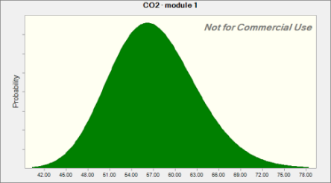

Assumption: Insolation · module 1 |  |  |  |  |  | Cell: C2

 | Normal distribution with parameters:
 |  | Mean | 1,700.00 |  | (=C2)
 |  | Std. Dev. | 58.90 |  | (=E2)
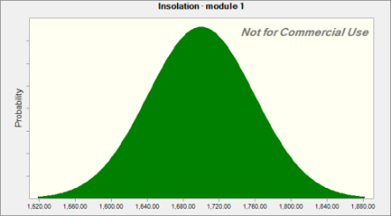

Assumption: lifetime · module 1 |  |  |  |  |  | Cell: C6

 | Lognormal distribution with parameters:
 |  | Location | 0.00
 |  | Geo. Mean | 5.00 |  | (=C6)
 |  | Geo. Std. Dev. | 1.15 |  | (=E6)

Assumption: lifetime · module 1 (cont'd) |  |  |  |  |  | Cell: C6

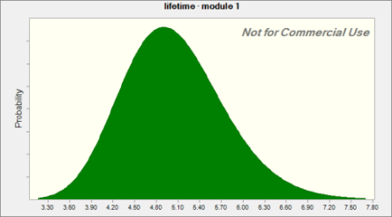

Assumption: module efficiency · module 1 |  |  |  |  |  | Cell: C4

 | Lognormal distribution with parameters:
 |  | Location | 0.00%
 |  | Geo. Mean | 16.64% |  | (=C4)
 |  | Geo. Std. Dev. | 105.00% |  | (=E4)
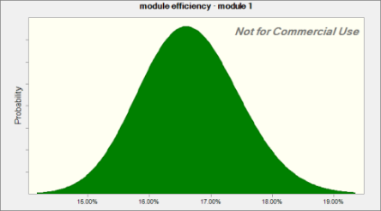

Assumption: performance ratio · module 1 |  |  |  |  |  | Cell: C3

 | Lognormal distribution with parameters:
 |  | Location | 0%
 |  | Geo. Mean | 75% |  | (=C3)
 |  | Geo. Std. Dev. | 123% |  | (=E3)

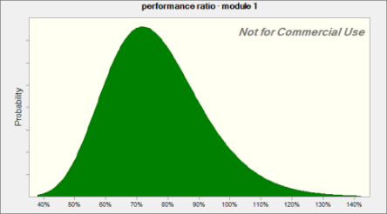

Assumption: primary energy consumption · module 1 |  |  |  |  |  | Cell: C7

 | Lognormal distribution with parameters:
 |  | Location | 0.00
 |  | Geo. Mean | 1,027.26 |  | (=C7)
 |  | Geo. Std. Dev. | 1.11 |  | (=E7)

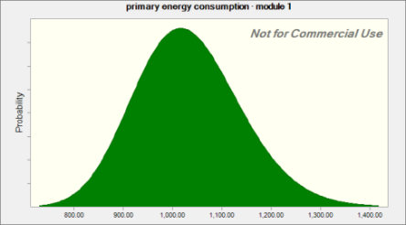

End of Assumptions
 |  |  |  | Sensitivity Charts

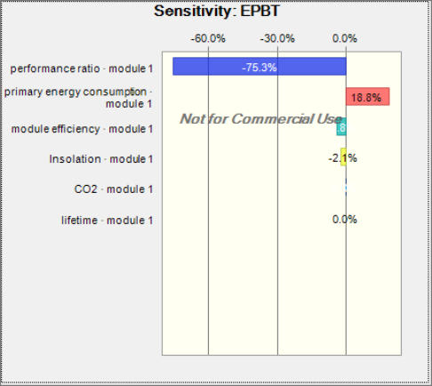

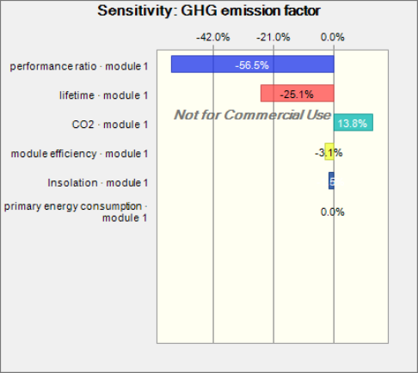

End of Sensitivity Charts

